PERUFLORA, FLASKS 2016
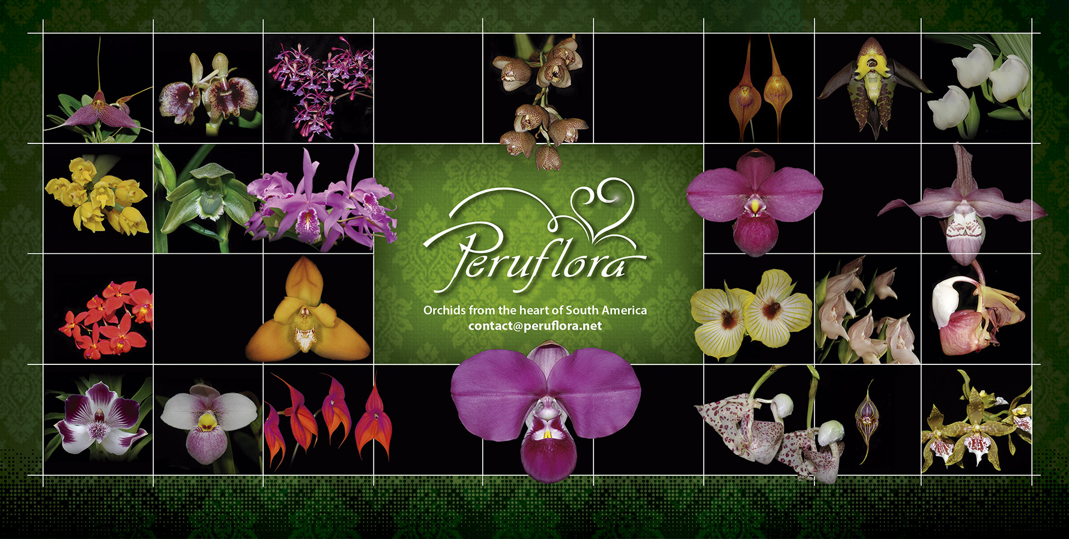
List of Flasks for Sale 2017
 | INSTRUCTIONS:
1. Enter the desired Quantity of Plants in the Column "Q". The "Total" column will update automatically.
2. Type your personal information in the cases below this list. Fill in the green cases only.
3. Send your order to: contact@peruflora.net

1. SECTION: ORCHID FLASKS, SPECIES & HYBRIDS

 | Name | Q | US$ | Total
 | FLASK, Anguloa ruckeri (Seedlings) | 0 | 20 | 0
 | FLASK, BLC, Tatarown x Cattleya Hawaiian Wedding Song (Seedlings) | 0 | 28 | 0
 | FLASK, Brassia cauliformis (Seedlings) | 0 | 18 | 0
 | FLASK, Catasetum incurvum (Seedlings) | 0 | 24 | 0
 | FLASK, Cattleya luteola (Seedlings) | 0 | 22 | 0
 | FLASK, Cattleya maxima 247 x Cattleya maxima 1115 (Seedlings) | 0 | 24 | 0
 | FLASK, Cattleya maxima 'coerulea' x Laelia anceps var. Coerulea (Seedlings) | 0 | 45 | 0
 | FLASK, Cattleya mooreana (Seedlings) | 0 | 24 | 0
 | FLASK, Cochlioda densiflora x Oncidium Espíritu Santo (Seedlings) | 0 | 18 | 0
 | FLASK, Encyclia cordigera var. Semialba (Seedlings) | 0 | 20 | 0
 | FLASK, Epidendrum Rene Marquez x Cattleya amethystoglossa (Seedlings) | 0 | 28 | 0
 | FLASK, Epidendrum sobralioides (Seedlings) | 0 | 28 | 0
 | FLASK, Ida trifoliata (Seedlings) | 0 | 22 | 0
 | FLASK, LC. Tanya Ducan 'Seattle Blues' x Schomburgkia lyonsii (Seedlings) | 0 | 28 | 0
 | FLASK, Lycaste Chita Impulse (White flower with pink spots) x Maxillaria lehmanii (Seedlings) | 0 | 28 | 0
 | FLASK, Macroclinium aurorae (Seedlings) (Already blooming inside the flasks) | 0 | 36 | 0
 | FLASK, Oncidium (Trichocentrum) stacyi (Seedlings) | 0 | 32 | 0
 | FLASK, Phragmipedium ((besseae x Scarlet O' hara 4N) x kovachii) (Seedlings) | 0 | 45 | 0
 | FLASK, Phragmipedium (boissierianum x (besseae x Scarlet O' hara 4N)) (Seedlings) | 0 | 45 | 0
 | FLASK, Phragmipedium (boissierianum x kovachii) (Seedlings) | 0 | 40 | 0
 | FLASK, Phragmipedium (Elizabeth March x kovachii) (Seedlings) | 0 | 50 | 0
 | FLASK, Phragmipedium (kovachii x (kovachii x schlimii) (Seedlings) | 0 | 50 | 0
 | FLASK, Phragmipedium kovachii | 0 | 55 | 0
 | FLASK, Phragmipedium schlimii '0055' (Seedlings) | 0 | 35 | 0
 | FLASK, Prom (Florafest Cheetah x Limelight 'Willow Pond' HCC/AOS) (Seedlings) | 0 | 32 | 0
 | FLASK, Promenaea ((Dinah Albright x Florafest Cheetah) x (Florafest Cheetah x Limelight 'Willow Pond')) (Seedlings) | 0 | 32 | 0
 | FLASK, Promenaea (Florafest Cheetah x Limelight 'Willow Pond' HCC/AOS) (Seedlings) | 0 | 32 | 0
 | FLASK, Psygmorches pusilla (Seedlings) (Already blooming inside the flasks) | 0 | 28 | 0
 | FLASK, SLC Hsin Buu Lady (Seedlings) | 0 | 40 | 0
 | FLASK, Stanhopea gibbosa (Seedlings) | 0 | 28 | 0
 | FLASK, Stanhopea haseloffiana (Seedlings) | 0 | 24 | 0
 | FLASK, Stanhopea tricornis (Seedlings) | 0 | 24 | 0
 | FLASK, Zygopetalum (John Banks x Redvale Pretty 'Pretty Ann') (Seedlings) | 0 | 28 | 0

Name | Type your name and surname here
Email | Type your email address here
Address | Type your postal address
Special Instructions | Type another instructions here.
 |  |  | TOTAL
 |  |  | US$ | $0.00

 | COMMERCIAL TERMS
1. This list cancels all previous lists and is based on the actual existing plants in our laboratory.
2. Prices are in US Dollars.
3. For direct importation, cost of Phyto sanitary permit is 100 US$.
If you wish to place an order but costs of direct importation are too high, we can deliver your order
while attending an Orchid Show close to you. Please let us know in the Special Instructions box above.
4. Discounts policy:
 | 5% from US$ 500.00 to 999.00
 | 10% from US$ 1,000.00 to US$ 1,999.00
 | 15% from US$ 2,000.00 to US$ 3,999.00
 | 20% for orders over US$ 4,000.00
5. Prices are FOB Lima Airport. Transportation fee is collect. A deposit in advance of at least 50%
of the value of plants and flasks plus 100% of the total cost of paperwork is required.
6. For further requests please do not hesitate to contact us: contact@peruflora.net
7. If you have a "Wanted List" of Andean/South American Orchids, then please send it to us. We may have
some of those plants in our collection, not announced in the price list.
8. For PayPal payment, we will add 4% to cover the discounts made by the money transfer.

